Project
Hydro DryScreenTM
Water Quality Flow Rate Worksheet
R.3.4
 |  |  |  |  |  |  |  |  |  |  | Updates and Contacts:

 |  |  |  |  |  |  |  |  |  |  |  | This version is: | R3.5 |  | Email Spreadsheet Author:
 | Project Name: | Project Name |  |  |  |  | Designer:
 | Street: | Project Street |  |  |  |  | Company: |  |  |  |  | Tech Support: | techsupport@hydro-int.com |  |  | Phillip Taylor: | ptaylor@hydro-int.com
 | City: | Project City |  |  |  |  | Office:
 | State: | Project State |  |  |  |  | email: |  |  |  |  |  | Submit design for review: | Submit
 | Country: | Project Country |  |  |  |  | Phone:
 | Post Code: | Project Code
 |  |  |  |  |  |  |  |  |  |  | Treatment Parameters Help:
TREATMENT PARAMETERS |  |  |  |  |  | Select Units: | US
 |  |  |  |  |  |  |  |  |  |  | "Minimum Particle Size" sets the particle size distribution from about 1000 µm down to the listed particle size.
 | TSS Removal Goal: | 80 | % Removal |  |  |  | Trash Design Required? | No
 | Minimum Particle Size: | 425 | µm |  |  |  | Select Mesh Size: | 19mm (0.75") Std |  |  | "Mesh Size" is should be 19 mm unless local regulations require the use of 5 mm screens.
 | Water Quality Flow Rate: | 10 | cfs |  |  |  | Peak Design Flow: | 20 |  | cfs | "Peak Design Flow" is not used other than to provide a manual check and for information used in review.

STANDARD VAULT SIZES RESULTS |  |  |  |  |  |  |  |  |  |  | Standard Vault Sizes Help:

Model Number | TSS % | Max. Pipe |  | Max. Treatment Capacity |  |  |  |  |  |  | Standard vault size results displayed are updated with changes to the Treatment Parameters.

HDS4X8 | 89.0% | 32 in |  | 33.6 cfs |  |  |  |  |  |  | Not all standard vault sizes may be availbale in all areas and local precast suppliers may produce different vault sizes. Use the Custom Vault Design option below if you need to use a locally avaible range of sizes.
HDS6X12 | 100.0% | 42 in |  | 66.4 cfs
HDS8X14 | 100.0% | 48 in |  | 92.7 cfs
HDS10X16 | 100.0% | 54 in |  | 124.4 cfs
HDS12X20 | 100.0% | 60 in |  | 161.9 cfs |  |  |  |  |  |  | Custom Vault Sizes Help:

CUSTOMIZE VAULT DESIGN |  |  |  |  |  |  |  |  |  |  | The Short Side Length is generally the inlet and outlet ends. The Long Side is the direction of the flow.

 | Enter Short Side Length: | 5.00 | ft |  | Water Quality Result: |  |  |  |  |  | Based on the Treatment Parameters and Short Side Length the Long Side Length should be 4.96 ft to optimize the vault to exactly meet the treatment parameters
 | Enter Long Side Length: | 15.00 | ft |  | Model Number | TSS % | Max. Pipe | Max. Treatment Capacity
 | Vault Area: | 75.00 | sq.ft |  |  |  |  |  |  |  | Custom Design Side Length Limit Warnings:
 | Model Number: | HDS5X15 |  |  | HDS5X15 | 100.0% | 38 in |  | 51.7 cfs

SELECTED VAULT AND SITE LAYOUT DETAILS |  |  |  |  |  |  |  |  |  |  | Custom vaults are listed at the bottom of the "Select Vault" menu option.
Select Vault: | HDS5X15 |  |  |  |  | Structure ID: | Manhole1
 |  |  |  |  |  |  |  |  |  |  | Cover Required for Model Selected
 | Installation: | New Development |  |  |  | Rim Level: | 100.000 | ft
 | Placement: | Online |  |  |  | Inlet Invert: | 95.000 | ft |  |  | OK
 | Inlet Pipe Size: | 48 | in | Max. 38in |  | Outlet Invert: | 95.000 | ft |  |  | OK
 | Outlet Pipe Size: | 48 | in | Max. 38in
 | Allowable Peak Flow: | 93 | cfs | Limited by outlet pipe size.
(If Allowable Peak Flow is less than actual peak use an external bypass or increase outlet pipe size.)
NOTES:

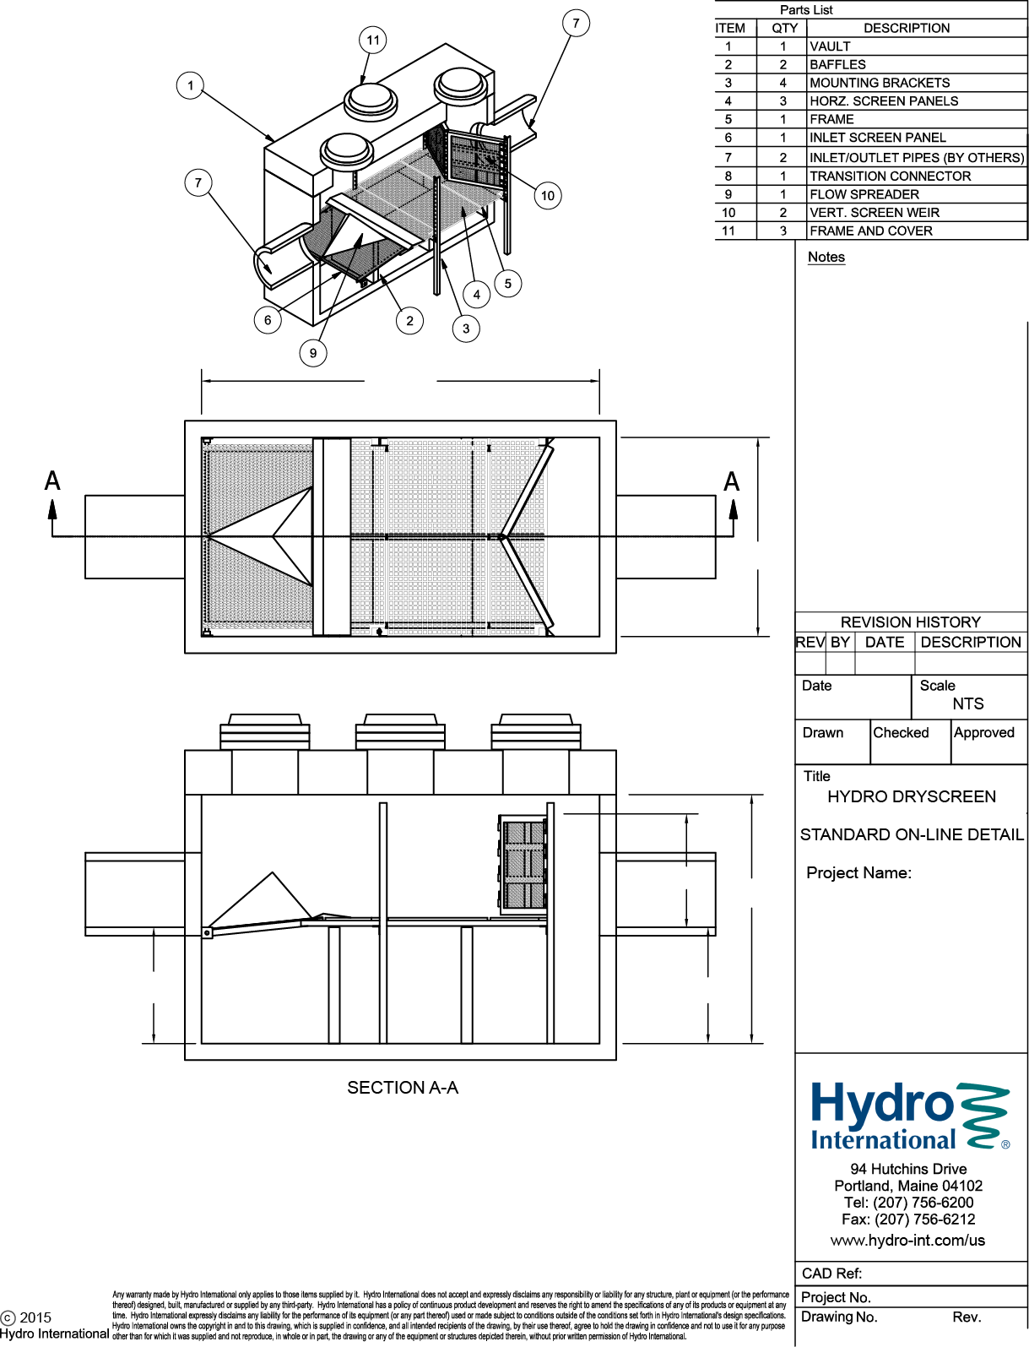

1. MANHOLE WALL & SLAB THICKNESS NOT TO SCALE.
2. DRAWING NOT TO BE USED FOR CONSTRUCTION.
3. CONTACT HYDRO FOR MORE INFORMATION ON SPECIFIC PROJECT DESIGN & PRICING.

15.00 ft

5.00 ft

Rim: 100.000 ft

Std
83.43 in
Project Name
Project Street
Project City
Manhole1
Project State
95.000 ft
95.000 ft

39.43 in
39.43 in

HYDRO DRYSCREEN MODEL HDS5X15 SPECIFICATION
Max. Treatment Flow Rate: 51.69 cfs
Min. Open Orifice Area of Screens: 58.04 sq.ft.
Min. Screenings Storage Capacity: 7.868 cu.yd.
Min. Sediment Storage Capacity: 9.126 cu.yd.
TREATMENT UNIT HAS BEEN DESIGNED TO REMOVE A MIN. 100% TSS BASED ON A PSD RANGE DOWN TO A MIN. 425 µm AT A WATER QUALITY FLOW RATE OF 10 cfs

Screen Mesh Size: 19mm (0.75") Std

