UpFloFilter
Up-Flo® Filter Filter Chamber Size
Filter Modules | Flow Rate | Flow Rate | Configuration | Size*
(#) | (cfs) | (gpm) |  | (Internal Size)
1 | 0.06 | 25 | Manhole | 4' Dia |  | Basic Head Requirements
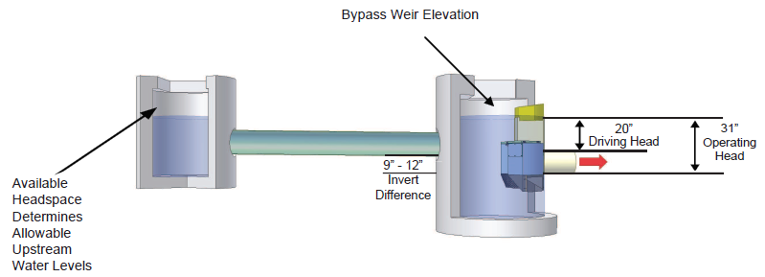
2 | 0.11 | 50 | Manhole | 4' Dia
3 | 0.17 | 75 | Manhole | 4' Dia
4 | 0.22 | 100 | Manhole | 4' Dia
5 | 0.28 | 125 | Manhole | 4' Dia
6 | 0.34 | 150 | Manhole | 4' Dia
7 | 0.39 | 175 | 1 Bay Vault | 6 x 8
8 | 0.45 | 200 | 1 Bay Vault | 6 x L
9 | 0.50 | 225 | 1 Bay Vault | 7 x L
10 | 0.56 | 250 | 1 Bay Vault | 8 x L
11 | 0.62 | 275 | 1 Bay Vault | 9 x L
12 | 0.67 | 300 | 1 Bay Vault | 10 x L | L = Length varies with Filter Modules
13 | 0.73 | 325 | 1 Bay Vault | 11 x L
14 | 0.78 | 350 | 1 Bay Vault | 12 x L
15 | 0.84 | 375 | 1 Bay Vault | 13 x L
16 | 0.90 | 400 | 1 Bay Vault | 14 x L
17 | 0.95 | 425 | 1 Bay Vault | 15 x L
18 | 1.01 | 450 | 2 Bay Vault | 6 x 13
19 | 1.06 | 475 | 2 Bay Vault | 8.5 x 13
20 | 1.12 | 500 | 2 Bay Vault | 8.5 x 13 |  | Hydraulic requirements are the same for all configuration. This is diagramatic only.
21 | 1.18 | 525 | 2 Bay Vault | 8.5 x 13
22 | 1.23 | 550 | 2 Bay Vault | 8.5 x 13
23 | 1.29 | 575 | 2 Bay Vault | 8.5 x 13
24 | 1.34 | 600 | 2 Bay Vault | 8.5 x 13
25 | 1.40 | 625 | 2 Bay Vault | 8.5 x 13
26 | 1.46 | 650 | 2 Bay Vault | 8.5 x 13
27 | 1.51 | 675 | 2 Bay Vault | 8.5 x 13
28 | 1.57 | 700 | 2 Bay Vault | 8.5 x 13
29 | 1.62 | 725 | 2 Bay Vault | 8.5 x 13
30 | 1.68 | 750 | 2 Bay Vault | 8.5 x 13
31 | 1.74 | 775 | 2 Bay Vault | 8.5 x 13
32 | 1.79 | 800 | 2 Bay Vault | 8.5 x 13
33 | 1.85 | 825 | 2 Bay Vault | 8.5 x 13
34 | 1.90 | 850 | 2 Bay Vault | 8.5 x 13 | Vaults can be configured in different ways to fit a site and local precast supply sizes.
35 | 1.96 | 875 | 2 Bay Vault | 8.5 x 13
36 | 2.02 | 900 | 2 Bay Vault | 8.5 x 13
37 | 2.07 | 925 | 3 Bay Vault | 13 x 15
38 | 2.13 | 950 | 3 Bay Vault | 13 x 15
39 | 2.18 | 975 | 3 Bay Vault | 13 x 15
40 | 2.24 | 1000 | 3 Bay Vault | 13 x 15
41 | 2.30 | 1025 | 3 Bay Vault | 13 x 15
42 | 2.35 | 1050 | 3 Bay Vault | 13 x 15
43 | 2.41 | 1075 | 3 Bay Vault | 13 x 15
44 | 2.46 | 1100 | 3 Bay Vault | 13 x 15
45 | 2.52 | 1125 | 3 Bay Vault | 13 x 15
46 | 2.58 | 1150 | 3 Bay Vault | 13 x 15
47 | 2.63 | 1175 | 3 Bay Vault | 13 x 15
48 | 2.69 | 1200 | 3 Bay Vault | 13 x 15
49 | 2.74 | 1225 | 3 Bay Vault | 13 x 15
50 | 2.80 | 1250 | 3 Bay Vault | 13 x 15
51 | 2.86 | 1275 | 3 Bay Vault | 13 x 15
52 | 2.91 | 1300 | 3 Bay Vault | 13 x 15
53 | 2.97 | 1325 | 3 Bay Vault | 13 x 15
54 | 3.02 | 1350 | 3 Bay Vault | 13 x 15
55 + | Contact Hydro | Contact Hydro | Custom

Contact email: | enquires@hydro-int.com
Web: | https://hydro-int.com/en/products/flo-filter
* Dimensions are indicative internal sizes and can be configured to fit site requirements and local precast supply forms.

